Data summary

Beef Grazing - Greenhouse Accounting Framework
 | Note no input can be made from this page - to input your data go to the Data Input tab
 | Farm Name | Joe Bloggs' cattle station |  |  |  |  |  |  |  | Outputs | t CO2e/farm | Summary | t CO2e/farm
 | State/Region | Tas |  |  |  |  |  |  |  | CO2 - Energy | 112.91 | CO2 | 255
 | Herd Information | Bulls >1 | Bulls<1 | Steers<1 | Cows 1 to 2 | Cows >2 | Cows<1 | Steers>1 | Units | CO2 - Transport | 0.00 | CH4 | 15,772
 | Livestock Numbers | 155.75 | 51 | 2169.75 | 1793 | 4734.25 | 2275 | 1247.75 | head | CO2 - Lime | 6.48 | N2O | 6,033
 | Liveweight | 719 | 161 | 174 | 348 | 495 | 161 | 325 | kg/head | CO2 - Urea | 135.92
 | Live weight gain | 0.32 | 0.67 | 0.69 | 0.47 | 0.04 | 0.69 | 0.70 | kg/day | CH4 - Energy | 0.14
 | Crude Protein | 6.9 | 6.9 | 6.9 | 6.9 | 6.9 | 6.9 | 6.9 | % | CH4 - Enteric | 15,766.94
 | Dry matter digestibility | 52.0 | 52.0 | 52.0 | 52.0 | 52.0 | 52.0 | 52.0 | % | CH4 - Manure Management | 5.13
 |  | Dryland | Irrigated |  |  |  |  |  |  | CH4 - Savannah Burning | 0.00
 | Area Improved Pasture | 0 | 0 |  |  |  |  |  | ha | CH4 - Transport | 0.00
 | Area cropped | 5637 | 0 |  |  |  |  |  | ha | N2O - Fertiliser | 348.35
 | Nitrogen Fertiliser Pasture | 65.982446337 | 0 |  |  |  |  |  | kg N/ year | N2O - Urine and Dung | 5,258.13
 | Nitrogen Fertiliser Crops | 0 | 0 |  |  |  |  |  | kg N/ year | N2O - Atmospheric Deposition | 34.84
 | Annual Diesel Consumption | 35900 |  |  |  |  |  |  | litres/year | N2O - Leaching an Runoff | 391.90
 | Annual Gas Consumption | 629.16 |  |  |  |  |  |  | litres/year | N2O - Savannah Burning | 0.00
 | Annual Electricity Use | 163097 |  |  |  |  |  |  | KWh | N2O - Energy | 0.28
 | Transport | 0 |  |  |  |  |  |  | km | N2O - Transport | 0.00
 | Power Source | State Grid |  |  |  |  |  |  |  | Net Farm Emissions | 22,061
Citation:
Eckard R.J., Taylor C. (2016). A Greenhouse Accounting Framework for Beef properties (B-GAF) based on the Australian National Greenhouse Gas Inventory methodology. Updated July 2016 http://www.greenhouse.unimelb.edu.au/Tools.htm

Data input
Enter your farm data for each animal class and season |  |  |  |  |  |  | Farm name: | Joe Bloggs' cattle station

Choose your region in Australia |  |  | 3
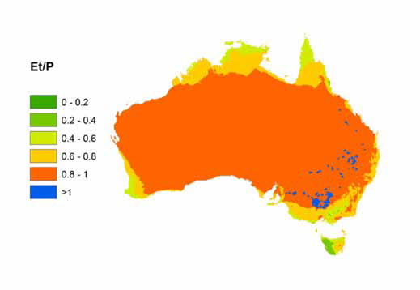
Is your property north of the Tropic of Capricorn? |  |  | 2

Is your property in orange zone? (Ref Map. 1) |  |  | 2

 |  | Bulls >1 | Bulls<1 | Steers<1 | Cows 1 to 2 | Cows >2 | Cows<1 | Steers>1 | Units
Livestock Numbers | Spring | 169 | 51 | 2213 | 2018 | 5612 | 2322 | 2353 | head
 | Summer | 158 | 51 | 2252 | 2017 | 4865 | 2297 | 1811 | head
 | Autumn | 148 | 51 | 2112 | 1763 | 4457 | 2246 | 285 | head
 | Winter | 148 | 51 | 2102 | 1374 | 4003 | 2235 | 542 | head
 | Average | 155.75 | 51 | 2169.75 | 1793 | 4734.25 | 2275 | 1247.75 | head

Liveweight | Spring | 700 | 85 | 90 | 300 | 490 | 85 | 280 | kg/head
 | Summer | 750 | 150 | 160 | 350 | 530 | 150 | 300 | kg/head
 | Autumn | 725 | 200 | 215 | 360 | 500 | 200 | 340 | kg/head
 | Winter | 700 | 210 | 230 | 380 | 460 | 210 | 380 | kg/head
 | Average | 719 | 161 | 174 | 348 | 495 | 161 | 325 | kg/head

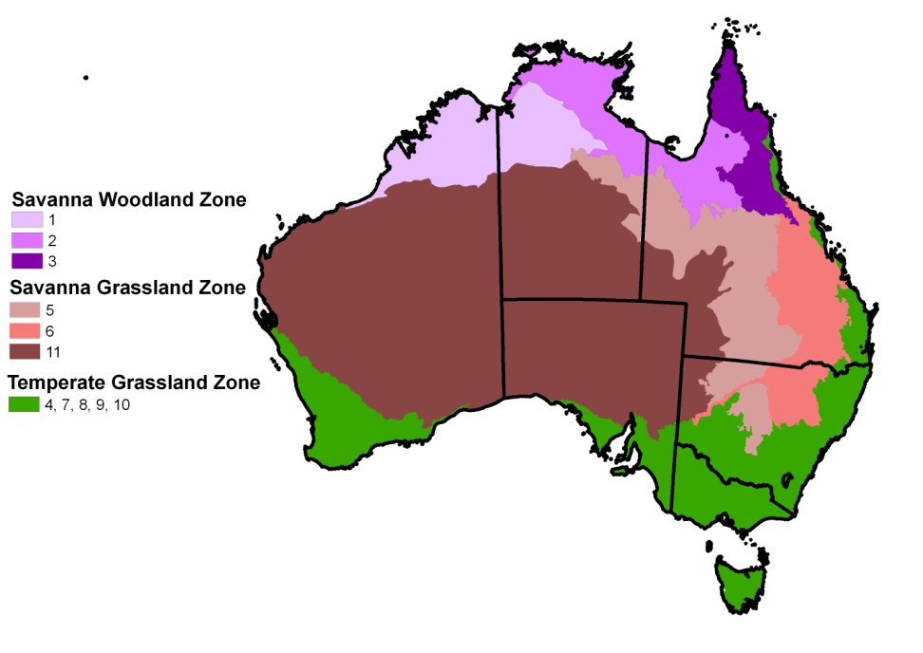
Live weight gain (LWG) | Spring | 0.500 | 1.000 | 1.000 | 1.000 | 0.500 | 1.000 | 1.000 | kg/day | Map 1. The ratio of mean annual evapotranspiration to annual precipitation (Et/P)
 | Summer | 0.550 | 0.820 | 0.770 | 0.550 | 0.440 | 0.710 | 0.800 | kg/day
 | Autumn | 0.500 | 0.770 | 0.500 | 0.110 | -0.330 | 0.550 | 0.500 | kg/day
 | Winter | -0.270 | 0.110 | 0.500 | 0.220 | -0.440 | 0.500 | 0.500 | kg/day
 | Average | 0.32 | 0.67 | 0.69 | 0.47 | 0.04 | 0.69 | 0.70 | kg/day

Crude Protein (CP) | Spring | 4 | 4 | 4 | 4 | 4 | 4 | 4 | %
 | Summer | 11 | 11 | 11 | 11 | 11 | 11 | 11 | %
 | Autumn | 7 | 7 | 7 | 7 | 7 | 7 | 7 | %
 | Winter | 5.5 | 5.5 | 5.5 | 5.5 | 5.5 | 5.5 | 5.5 | %
 | Average | 7 | 7 | 7 | 7 | 7 | 7 | 7 | %

Dry matter digestibility (DMD) | Spring | 48 | 48 | 48 | 48 | 48 | 48 | 48 | %
 | Summer | 56 | 56 | 56 | 56 | 56 | 56 | 56 | %
 | Autumn | 53 | 53 | 53 | 53 | 53 | 53 | 53 | %
 | Winter | 51 | 51 | 51 | 51 | 51 | 51 | 51 | %
 | Average | 52 | 52 | 52 | 52 | 52 | 52 | 52 | %

 |  | Dryland |  | Irrigated
Area cropped |  | 0 |  | 0 |  |  |  |  | ha
Area Improved Pasture |  | 5637 |  | 0 |  |  |  |  | ha

 |  | Dryland |  | Irrigated
Nitrogen Fertiliser Crops | Spring | 0 |  | 0 |  |  |  |  | kg N/ha | Map 2. Vegetation Classes
 | Summer | 0 |  | 0 |  |  |  |  | kg N/ha
 | Autumn | 0 |  | 0 |  |  |  |  | kg N/ha
 | Winter | 0 |  | 0 |  |  |  |  | kg N/ha
 | Total | 0 |  | 0 |  |  |  |  | kg N/ha

 |  | Dryland |  | Irrigated
Nitrogen Fertiliser Pasture | Spring | 18.332446337 |  | 0 |  |  |  |  | kg N/ha
 | Summer | 0 |  | 0 |  |  |  |  | kg N/ha
 | Autumn | 47.65 |  | 0 |  |  |  |  | kg N/ha
 | Winter | 0 |  | 0 |  |  |  |  | kg N/ha
 | Total | 65.982446337 |  | 0 |  |  |  |  | kg N/ha

 |  | Dryland |  | Irrigated
Sewage Sludge Applied to Crops | Spring | 0 |  | 0 |  |  |  |  | kg N/ha
 | Summer | 0 |  | 0 |  |  |  |  | kg N/ha
 | Autumn | 0 |  | 0 |  |  |  |  | kg N/ha
 | Winter | 0 |  | 0 |  |  |  |  | kg N/ha
 | Total | 0 |  | 0 |  |  |  |  | kg N/ha

 |  | Dryland |  | Irrigated
Sewage Sludge Applied to Pasture | Spring | 0 |  | 0 |  |  |  |  | kg N/ha
 | Summer | 0 |  | 0 |  |  |  |  | kg N/ha
 | Autumn | 0 |  | 0 |  |  |  |  | kg N/ha
 | Winter | 0 |  | 0 |  |  |  |  | kg N/ha
 | Total | 0 |  | 0 |  |  |  |  | kg N/ha

Urea Fertiliser Crops |  | 0 |  | 0 |  |  |  |  | kg N/ha
Urea Fertiliser Pasture |  | 32.879900656 |  | 0 |  |  |  |  | kg N/ha
 |  | 1
Limestone applied to soils | Total for farm | 60 |  |  |  |  |  |  | t
 | Fraction | 1 |  |  |  |  |  |  | Fraction

Savannah Burning | Rainfall | 1 | (High/Low)

 | Vegetation Class | 3

 | Fire Season | 2

 | Fuel Class Size | 2

 | Years since fire | 5

 | Fire Scar Area | 400

 | Patichiness | 1

Energy | Electricity Source | 1

Annual Diesel Consumption |  | 35900 |  |  |  |  |  |  | litres/year
Annual Gas Consumption |  | 629.16 |  |  |  |  |  |  | litres/year
Annual Electricity Use |  | 163097 |  |  |  |  |  |  | KWh

Transport
Distance cattle transported to farm |  | 0 |  |  |  |  |  |  | kms

Type of Truck used |  | 1 |  |  |  |  |  |  | Trailer

 |  |  |  |  |  |  | NB! See notes on cells
 |  |  |  |  | Milk Intake | Proportion of cows lactating | Feed adjustment | Temperate/tropical
LC and FA | Spring |  |  |  | 6 | 0.85 | 1.3 | Temperate
 | Summer |  |  |  | 4 | 0.85 | 1.1 | Temperate
 | Autumn |  |  |  | 0 | 0 | 0 | Temperate
 | Winter |  |  |  | 0 | 0 | 0 | Temperate

