Input data Dairy
Enter your farm data for each animal class and season |  |  |  |  | Farm Name: | Joe Bloggs

 |  | Milking Cows | Heifers >1 | Heifers <1 | Dairy Bulls>1 | Dairy Bulls<1 | Units |  | 171.90436893 | t Milk Solids
 | Seasons |  |  |  |  |  |  | total product | 2425500 | litres/farm
Livestock numbers | Spring | 350 | 70 | 70 | 2 | 0 | head |  | 913500
 | Summer | 350 | 70 | 70 | 2 | 0 | head |  | 787500
 | Autumn | 350 | 70 | 70 | 2 | 0 | head |  | 567000
 | Winter | 350 | 70 | 70 | 2 | 0 | head |  | 157500
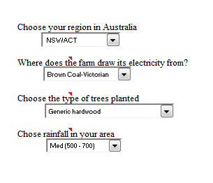
 | Average | 350 | 70 | 70 | 2 | 0 | head

Liveweight | Spring | 500 | 200 | 100 | 600 | 0 | kg/head
 | Summer | 640 | 200 | 100 | 600 | 0 | kg/head
 | Autumn | 560 | 200 | 100 | 600 | 0 | kg/head
 | Winter | 485 | 200 | 100 | 600 | 0 | kg/head
 | Average | 546 | 200 | 100 | 600 | 0 | kg/head

Live weight gain (LWG) | Spring | 0 | 1 | 1 | 0 | 0 | kg/day
 | Summer | 0 | 1 | 1 | 0 | 0 | kg/day
 | Autumn | 0 | 1 | 1 | 0 | 0 | kg/day
 | Winter | -0.3 | 1 | 1 | 0 | 0 | kg/day
 | Average | -0.1 | 1 | 1 | 0 | 0 | kg/day

Crude protein (CP) content of feed | Spring | 25 | 25 | 25 | 25 | 25 | %
 | Summer | 7 | 7 | 7 | 7 | 7 | %
 | Autumn | 10 | 10 | 10 | 10 | 10 | %
 | Winter | 21 | 21 | 21 | 21 | 21 | %
 | Average | 16 | 16 | 16 | 16 | 16 | %

Dry matter digestibility (DMD) | Spring | 76 | 76 | 76 | 76 | 76 | %
 | Summer | 70 | 70 | 70 | 70 | 70 | %
 | Autumn | 62 | 62 | 62 | 62 | 62 | %
 | Winter | 75 | 75 | 75 | 75 | 75 | %
 | Average | 71 | 71 | 71 | 71 | 71 | %

Milk production (MP) | Spring | 29 | 0 | 0 | 0 | 0 | L/day/head |  | 2610
 | Summer | 25 | 0 | 0 | 0 | 0 | L/day/head |  | 2250
 | Autumn | 18 | 0 | 0 | 0 | 0 | L/day/head |  | 1620
 | Winter | 5 | 0 | 0 | 0 | 0 | L/day/head |  | 450
 | Average | 19 | 0 | 0 | 0 | 0 | L/day/head |  | 6930

N fertiliser crops | Spring | 50 |  |  |  |  | kg N/ha
 | Summer | 0 |  |  |  |  | kg N/ha
 | Autumn | 0 |  |  |  |  | kg N/ha
 | Winter | 0 |  |  |  |  | kg N/ha
 | Total | 50 |  |  |  |  | kg N/ha

N fertiliser pastures | Spring | 65 |  |  |  |  | kg N/ha
 | Summer | 0 |  |  |  |  | kg N/ha
 | Autumn | 65 |  |  |  |  | kg N/ha
 | Winter | 65 |  |  |  |  | kg N/ha
 | Total | 195 |  |  |  |  | kg N/ha

Area cropped | 10 |  |  |  |  |  | ha
Area Improved Pasture | 100 |  |  |  |  |  | ha

Annual Diesel Consumption | 10000 |  |  |  |  |  | litres/year
Annual Electricity Use | 43248 |  |  |  |  |  | KWh
Area of Trees Planted after 1990 | 1 |  |  |  |  |  | hectares

 | Lagoon | Liquid/Slurry | Daily spread | Solid storage | Drylot | Digester | Pasture
Manure management for milking cows | 6 | 0.5 | 1.5 | 0 | 0 | 0 | 92
Manure management for other dairy cows | 0 | 0 | 0 | 0 | 0 | 0 | 100

Input data Beef
Enter your farm data for each animal class and season |  |  |  |  |  |  | Farm name: | Longreach Farm

 |  | Bulls >1 | Steers >2 | Steers<1 | Cows 1 to 2 | Cows >2 | Cows<1 | Steers>1 | Units | steers sold
Livestock Numbers | Spring | 25 | 0 | 308 | 290 | 859 | 308 | 30 | head | 85.096875 | t liveweight
 | Summer | 25 | 30 | 0 | 301 | 1126 | 0 | 303 | head
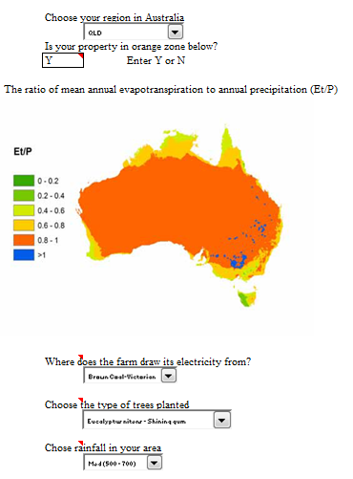
 | Autumn | 25 | 30 | 308 | 301 | 966 | 308 | 303 | head
 | Winter | 25 | 15 | 308 | 300 | 888 | 308 | 303 | head
 | Average | 25 | 18.75 | 231 | 298 | 959.75 | 231 | 234.75 | head

Liveweight | Spring | 950 | 450 | 240 | 390 | 475 | 240 | 380 | kg/head
 | Summer | 950 | 450 | 100 | 260 | 505 | 100 | 330 | kg/head
 | Autumn | 950 | 500 | 150 | 330 | 535 | 150 | 370 | kg/head
 | Winter | 950 | 500 | 220 | 370 | 505 | 220 | 370 | kg/head
 | Average | 950 | 475 | 178 | 338 | 505 | 178 | 363 | kg/head

Live weight gain (LWG) | Spring | 0.0 | 1.6 | 0.2 | 0.2 | -0.3 | 0.2 | 0.1 | kg/day
 | Summer | 0.0 | 0.0 | 0.7 | 0.2 | 0.3 | 0.7 | 1.0 | kg/day
 | Autumn | 0.0 | 1.7 | 0.5 | 0.8 | 0.3 | 0.5 | 0.4 | kg/day
 | Winter | 0.0 | 0.0 | 0.8 | 0.4 | -0.3 | 0.8 | 0.0 | kg/day
 | Average | 0.00 | 0.82 | 0.55 | 0.41 | 0.00 | 0.55 | 0.38 | kg/day

Crude Protein (CP) | Spring | 4 | 4 | 4 | 4 | 4 | 4 | 4 | %
 | Summer | 11 | 11 | 11 | 11 | 11 | 11 | 11 | %
 | Autumn | 7 | 7 | 7 | 7 | 7 | 7 | 7 | %
 | Winter | 5.5 | 5.5 | 5.5 | 5.5 | 5.5 | 5.5 | 5.5 | %
 | Average | 7 | 7 | 7 | 7 | 7 | 7 | 7 | %

Dry matter digestibility (DMD) | Spring | 48 | 48 | 48 | 48 | 48 | 48 | 48 | %
 | Summer | 56 | 56 | 56 | 56 | 56 | 56 | 56 | %
 | Autumn | 53 | 53 | 53 | 53 | 53 | 53 | 53 | %
 | Winter | 51 | 51 | 51 | 51 | 51 | 51 | 51 | %
 | Average | 52 | 52 | 52 | 52 | 52 | 52 | 52 | %

Area cropped | 0 |  |  |  |  |  |  |  | ha
Area Improved Pasture | 0 |  |  |  |  |  |  |  | ha

Nitrogen Fertiliser Crops | Spring | 0 |  |  |  |  |  |  | kg N/ha
 | Summer | 0 |  |  |  |  |  |  | kg N/ha
 | Autumn | 0 |  |  |  |  |  |  | kg N/ha
 | Winter | 0 |  |  |  |  |  |  | kg N/ha
 | Total | 0 |  |  |  |  |  |  | kg N/ha

Nitrogen Fertiliser Pasture | Spring | 0 |  |  |  |  |  |  | kg N/ha
 | Summer | 0 |  |  |  |  |  |  | kg N/ha
 | Autumn | 0 |  |  |  |  |  |  | kg N/ha
 | Winter | 0 |  |  |  |  |  |  | kg N/ha
 | Total | 0 |  |  |  |  |  |  | kg N/ha

Annual Diesel Consumption | 22500 |  |  |  |  |  |  |  | litres/year
Annual Electricity Use | 19725 |  |  |  |  |  |  |  | KWh
Area of Trees Planted after 1990 | 0 |  |  |  |  |  |  |  | hectares
 |  |  |  |  |  |  | NB! See notes on cells
 |  |  |  |  |  | Proportion of cows lactating | 0 | Temperate/tropical
LC and FA | Spring |  |  |  |  | 0 | 0 | Temp
 | Summer |  |  |  |  | 0.49 | 1.3 | Temp
 | Autumn |  |  |  |  | 0.49 | 1.1 | Temp
 | Winter |  |  |  |  | 0 | 0 | Temp
No inputs required for milk intake
Milk Intake |  | 0 | 0 | 4 | 0 | 0 | 4 | 0 | kg/head/day

Input data Sheep
Enter your farm data for each animal class and season |  |  |  |  |  | Farm Name | Joe Bloggs

 | Seasons | Rams | Wethers | Maiden breeding ewes | Breeding ewes | Other ewes | Lambs and hoggets | Units | total wool production
Livestock Numbers | Spring | 50 | 1800 | 500 | 500 | 0 | 515 | head | 13.393125 | t clean wool yield
 | Summer | 50 | 1800 | 500 | 500 | 0 | 520 | head
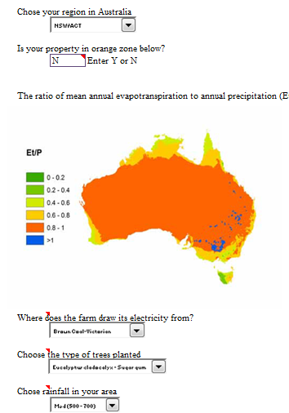
 | Autumn | 50 | 1800 | 500 | 500 | 0 | 520 | head
 | Winter | 50 | 1800 | 500 | 500 | 0 | 520 | head
 | Average | 50 | 1800 | 500 | 500 | 0 | 518.75 | head

Liveweight | Spring | 70 | 60 | 45 | 50 | 50 | 20 | kg/head
 | Summer | 65 | 55 | 45 | 50 | 50 | 25 | kg/head
 | Autumn | 65 | 52 | 43 | 48 | 50 | 30 | kg/head
 | Winter | 65 | 50 | 43 | 48 | 50 | 40 | kg/head
 | Average | 66.25 | 54.25 | 44 | 49 | 50 | 28.75 | kg/head

Live weight gain (LWG) | Spring | 0.05 | 0.11 | 0.02 | 0.11 | 0 | 0.2 | kg/day
 | Summer | -0.05 | -0.05 | 0.00 | 0.00 | 0.00 | 0.05 | kg/day
 | Autumn | 0.00 | -0.03 | -0.02 | -0.02 | 0.00 | 0.05 | kg/day
 | Winter | 0.00 | -0.02 | 0.00 | 0.00 | 0.00 | 0.10 | kg/day
 | Average | 0.00 | 0.00 | 0.00 | 0.02 | 0.00 | 0.10 | kg/day

Dry Matter Availability | Spring | 3.2 | 3.2 | 3.2 | 3.2 | 3.2 | 3.2 | t/ha
 | Summer | 2 | 3 | 2 | 2 | 2 | 2 | t/ha
 | Autumn | 1.5 | 1.8 | 1.5 | 2 | 1 | 1.8 | t/ha
 | Winter | 1 | 1 | 1 | 1.5 | 1 | 1 | t/ha
 | Average | 1.9 | 2.3 | 1.9 | 2.2 | 1.8 | 2.0 | t/ha

Proportion of ewes lambing | Spring |  |  |  | 0.75
This must be a number between | Summer |  |  |  | 0
zero and 1, not a % | Autumn |  |  |  | 0
 | Winter |  |  |  | 0.25
 | Total |  |  |  | 1

Seasonal lambing rates | Spring |  |  |  | 0.8
Not the percentage, but the | Summer |  |  |  | 0.8
proportion i.e. for 80% in spring | Autumn |  |  |  | 0.8
insert 0.8 into cell G34 | Winter |  |  |  | 0.8
 | Average |  |  |  | 0.8

Crude Protein (CP) | Spring | 16 | 16 | 16 | 16 | 16 | 16 | %
 | Summer | 7 | 7 | 7 | 7 | 7 | 10 | %
 | Autumn | 13 | 13 | 13 | 13 | 13 | 13 | %
 | Winter | 10 | 10 | 10 | 10 | 10 | 10 | %
 | Average | 11.5 | 11.5 | 11.5 | 11.5 | 11.5 | 12.25 | %

Dry matter digestibility (DMD) | Spring | 70 | 70 | 70 | 70 | 70 | 70 | %
 | Summer | 55 | 55 | 55 | 55 | 55 | 60 | %
 | Autumn | 65 | 65 | 65 | 65 | 65 | 60 | %
 | Winter | 60 | 60 | 60 | 60 | 60 | 60 | %
 | Average | 62.5 | 62.5 | 62.5 | 62.5 | 62.5 | 62.5 | %

Greasy Wool Prod |  | 6 | 6 | 5 | 5 | 6 | 2 | kg/hd/year

Clean wool yield |  | 75 | 80 | 75 | 75 | 75 | 75 | % | 225 | 8640 | 1875 | 1875 | 0 | 778.125 | 13.393125

Area cropped | 0 |  |  |  |  |  |  | ha
Area improved pasture | 1400 |  |  |  |  |  |  | ha

Nitrogen Fertiliser Crops | Spring | 0 |  |  |  |  |  | kg N/ha
 | Summer | 0 |  |  |  |  |  | kg N/ha
 | Autumn | 0 |  |  |  |  |  | kg N/ha
 | Winter | 0 |  |  |  |  |  | kg N/ha
 | Total | 0 |  |  |  |  |  | kg N/ha

Nitrogen Fertiliser Pasture | Spring | 0 |  |  |  |  |  | kg N/ha
 | Summer | 0 |  |  |  |  |  | kg N/ha
 | Autumn | 0 |  |  |  |  |  | kg N/ha
 | Winter | 0 |  |  |  |  |  | kg N/ha
 | Total | 0 |  |  |  |  |  | kg N/ha

Annual Diesel Consumption | 5000 |  |  |  |  |  |  | litres/year
Annual Electricity Use | 43248 |  |  |  |  |  |  | KWh
Area of Trees Planted after 1990 | 10 |  |  |  |  |  |  | ha

Carbon content of Wool | 45.2 |  |  |  |  |  |  | %

Input Data Feedlots
Enter your farm data for each group and animal class |  |  |  | Farm name: | Joe Bloggs

Note that the calculation of total GHG emissions are available for FOUR groups managed in a year.
Enter data for the number of groups you manage in a year and leave the rest of the groups as 0
If feedlot waste is applied to crop or pasture land, we suggest that you use one of the other livestock calculators available on
http://www.greenhouse.unimelb.edu.au/Tools.htm website since the current spreadhseet assumes NO animal waste is applied to land directly.

Group 1
 | Domestic | Export | Japan ox |  | Units | total liveweight
Livestock Numbers (N) | 18000 | 12000 | 8000 |  | head | 16880 | t lwt
Average length of stay (L) | 77 | 136 | 248 |  | days
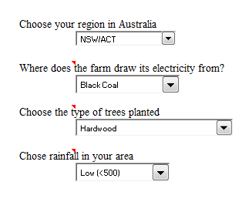
Liveweight (W) | 360 | 490 | 565 |  | kg/head
Live weight gain (LWG) | 1.7 | 1.50 | 1.2 |  | kg/day
Dry matter digestibility (DMD) | 80 | 80 | 80 |  | %
Dry matter intake (I) | 9.8 | 11.7 | 11 |  | kg/head/day

 | Total grains (inc molasses) | Other concentrates | Grasses | Legumes
Proportion of feed components | 0.779 | 0.048 | 0.138 | 0.035
Composition of feed components
Cellulose | 0.07 | 0.19 | 0.31 | 0.36
Hemicellulose | 0.04 | 0.11 | 0.31 | 0.20
Soluble residue | 0.68 | 0.19 | 0.21 | 0.21
Nitrogen | 0.02 | 0.05 | 0.026 | 0.032

Group 2
 | Domestic | Export | Japan ox |  | Units
Livestock Numbers (N) | 0 | 0 | 0 |  | head
Average length of stay (L) | 0 | 0 | 0 |  | days
Liveweight (W) | 0 | 0 | 0 |  | kg/head
Live weight gain (LWG) | 0 | 0 | 0 |  | kg/day
Dry matter digestibility (DMD) | 0 | 0 | 0 |  | %
Dry matter intake (I) | 0 | 0 | 0 |  | kg/head/day

 | Total grains (inc molasses) | Other concentrates | Grasses | Legumes
Proportion of feed components | 0 | 0 | 0 | 0
Composition of feed components
Cellulose | 0 | 0 | 0 | 0
Hemicellulose | 0 | 0 | 0 | 0
Soluble residue | 0 | 0 | 0 | 0
Nitrogen | 0 | 0 | 0 | 0

Group 3
 | Domestic | Export | Japan ox |  | Units
Livestock Numbers (N) | 0 | 0 | 0 |  | head
Average length of stay (L) | 0 | 0 | 0 |  | days
Liveweight (W) | 0 | 0 | 0 |  | kg/head
Live weight gain (LWG) | 0 | 0 | 0 |  | kg/day
Dry matter digestibility (DMD) | 0 | 0 | 0 |  | %
Dry matter intake (I) | 0 | 0 | 0 |  | kg/head/day

 | Total grains (inc molasses) | Other concentrates | Grasses | Legumes
Proportion of feed components | 0 | 0 | 0 | 0
Composition of feed components
Cellulose | 0 | 0 | 0 | 0
Hemicellulose | 0 | 0 | 0 | 0
Soluble residue | 0 | 0 | 0 | 0
Nitrogen | 0 | 0 | 0 | 0

Group 4
 | Domestic | Export | Japan ox |  | Units
Livestock Numbers (N) | 0 | 0 | 0 |  | head
Average length of stay (L) | 0 | 0 | 0 |  | days
Liveweight (W) | 0 | 0 | 0 |  | kg/head
Live weight gain (LWG) | 0 | 0 | 0 |  | kg/day
Dry matter digestibility (DMD) | 0 | 0 | 0 |  | %
Dry matter intake (I) | 0 | 0 | 0 |  | kg/head/day

 | Total grains (inc molasses) | Other concentrates | Grasses | Legumes
Proportion of feed components | 0 | 0 | 0 | 0
Composition of feed components
Cellulose | 0 | 0 | 0 | 0
Hemicellulose | 0 | 0 | 0 | 0
Soluble residue | 0 | 0 | 0 | 0
Nitrogen | 0 | 0 | 0 | 0

Annual Diesel Consumption | 30000 |  |  |  | litres/year
Annual Electricity Use | 12000 |  |  |  | KWh
Area of Trees Planted after 1990 | 1 |  |  |  | ha

Input data Grains
Enter your farm data | Farm Name | Joe Bloggs
 |  |  |  |  |  | Barley | Canola | Wheat | Pulses | Total
Farm cropping details | Barley | Canola | Wheat | Pulses | Units | 1841 | 423 | 4530 | 1216 | 8010 | t grain/farm

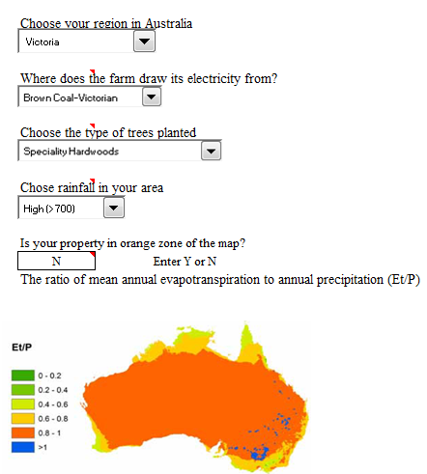
Average grain yield | 3.5 | 1.8 | 3 | 1.6 | t/ha
Area sown | 526 | 235 | 1510 | 760 | ha/farm
Irrigated (Y/N) | N | N | N | N | Y/N
Nitrogen Fertiliser Use | 30 | 30 | 30 | 0 | kg N/ha
Fraction of the annual production of crop that is burnt (F) | 0.0 | 0.0 | 1.0 | 0.0 | ha/total crop ha
Fraction removed (FFOD) | 0 | 0 | 0 | 0
Annual Diesel Consumption | 30000 |  |  |  | litres/year
Annual Electricity Use | 12000 |  |  |  | KWh
Area of Trees Planted after 1990 | 5 |  |  |  | ha

