Data summary

Grains Greenhouse Accounting Framework
Note no input can be made from this page - to input your data go to the Data input tab
Farm Name | Joe Bloggs's cropping farm |  |  |  |  | Outputs | t CO2e/farm | Summary | t CO2e/farm
State | Vic |  |  |  |  | CO2 -Energy | 10.53 | CO2 | 10.53
Farm cropping details | Wheat | Barley | Pulses | Oilseeds | Units | CO2 -Lime | 0.40 | CH4 | 88.71
Production System | Non-Irrigated Crop | Non-Irrigated Crop | Irrigated Crop | Irrigated Crop |  | CO2 - Urea Application | 0.00 | N2O | 1265.66
Greenhouse Gas Profile
Summary
Average grain yield | 3 | 2.5 | 2 | 3 | t/ha | CH4 - Field Burning | 88.70
Area sown | 1000 | 200 | 500 | 800 | ha/farm | CH4 - Energy | 0.01
Nitrogen Fertiliser Use | 60 | 50 | 0 | 80 | kg N/ha | N2O - Fertiliser | 533.38
Fraction of the annual production of crop that is burnt (F) | 1 | 0 | 0 | 0 |  | N2O - Crop residues | 458.93
Residue to crop ratio | 1.50 | 1.24 | 1.37 | 2.10 | (kg crop residue/kg crop) | N2O - Atmospheric deposition | 53.34
Below to above ground residue ratio | 0.29 | 0.32 | 0.51 | 0.33 | (kg /kg) | N2O - Leaching and Runoff | 179.41
Dry matter content | 0.88 | 0.88 | 0.87 | 0.96 | (kg dry weight/kg crop residue) | N2O - Field Burning | 40.59
Nitrogen content of AG residue | 0.01 | 0.01 | 0.01 | 0.01 | (kg N/kg DM) | N2O - Energy | 0.02
Nitrogen content of BG residue | 0.01 | 0.01 | 0.01 | 0.01 | (kg N/kg DM) | Net Farm Emissions | 1,365.30
Fraction of crop residue that is burnt | 0.21 | 0.21 | 0.21 | 0.21 | Fraction
Fraction of crop residue remaining | 0.50 | 0.50 | 0.50 | 0.50 | Fraction
Fraction of crop residue removed | 0.07 | 0.07 | 0.07 | 0.07 | Fraction
Carbon mass fraction in DM | 0.40 | 0.40 | 0.40 | 0.40 | Fraction
Annual diesel consumption | 2400.7 |  |  |  | litres/year
Annual Natural Gas Consumption | 0 |  |  |  | litres/year
Annual electricity use | 4000 |  |  |  | KWh
Power source | State Grid

Citation:
Eckard R.J., Taylor C. (2016). A Greenhouse Accounting Framework for Grain and cropping properties (G-GAF) based on the Australian National Greenhouse Gas Inventory methodology. Updated July 2016. http://www.greenhouse.unimelb.edu.au/Tools.htm

Data input
Enter your farm data | Farm Name | Joe Bloggs's cropping farm

Choose your region in Australia | 6

Electriticy Source | 1

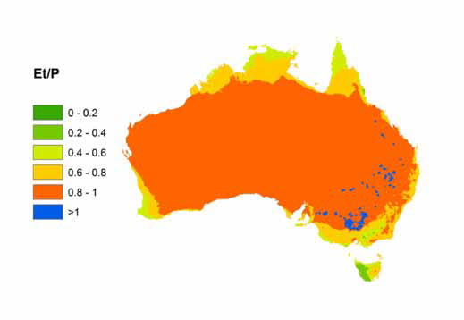
Farm cropping details | 1 | 2.00 | 9 | 15
Production System | 1 | 1 | 2 | 2
Is the crop in orange zone? (Ref Map. 1) | 2 | 2 | 2 | 2
Average grain yield | 3.00 | 2.50 | 2.00 | 3.00 | t/ha
Area sown | 1000.00 | 200.00 | 500.00 | 800.00 | ha/farm
Nitrogen Fertiliser Use | 60.00 | 50.00 | 0.00 | 80.00 | kg N/ha
Urea Application (included in the above) | 0.00 | 0.00 | 0.00 | 0.00 | kg Urea /ha
Sewage Sludge Applied | 0.00 | 0.00 | 0.00 | 0.00 | kg N/ha
Mass of Lime Applied | 500.00 | 0.00 | 500.00 | 0.00 | kg/ha
Fraction of Lime as limestone vs dolomite | 1.00 | 0.00 | 1.00 | 0.00 | Limestone/dolomite
Fraction of the annual production of crop that is burnt (F) | 1.00 | 0.00 | 0.00 | 0.00 | ha/total crop ha
Annual Diesel Consumption | 2400.70 |  |  |  | litres/year
Annual LPG Use | 0.00 |  |  |  | litres/year
Annual Electricity Use | 4000.00 |  |  |  | KWh

